How to Use
Your FUNCAP Tool

Introduction
Welcome to the FUNCAP Tool! This tool is part of our Grant Funding Capacity Development Framework (FUNCAP) – a practical guide that takes you through all four phases of the grant fundraising cycle. You can use FUNCAP to keep all your donor information in one place and manage your fundraising through four key phases: 1 RESEARCH – Research potential donors 2 RELATE – Build and strengthen your relationships with them 3 REQUEST – Prepare and submit strong funding proposals 4 RENEW – Show your impact and maintain lasting donor relations Think of FUNCAP as your fundraising companion – helping you stay organised and build lasting donor relationships. | 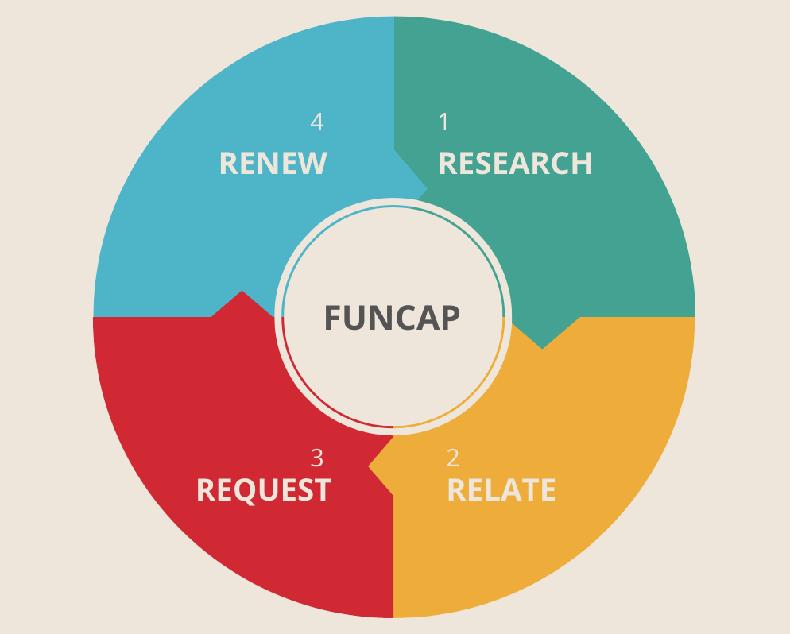

How to use this tool:

1. Define your research criteria and start your research (Phase 1 - RESEARCH)
First, define your research scope: which projects need funding and which donor segments interest you. Then, research and list promising donors in the sheet. Finally, rank them as hot, medium, or cold.
2. Take a deep dive for your hot and medium matches (Phase 2 - RELATE)
Next, take your hot (and then medium) matches and start exploring your connections and shared space. Create a separate sheet for each potential funder, and begin building relationships through LinkedIn, email, phone calls, conferences, or personal meetings.
3. Proceed to the proposal writing stage (Phase 3 - REQUEST)
Your engagement is paying off! Got an invitation to submit a proposal? Great! Now, use the right templates, tailor your project to the donor’s interests, and coordinate your proposal-writing team.
3. Show your impact and keep your donors happy (Phase 4 - RENEW)
Congratulations! Your proposals were successful and you’ve signed a grant. Now, keep your donors happy: set up a clear impact model, submit compelling impact reports on time, involve them in your projects, and surprise them with a thoughtful gesture every now and then.

TripleMinds - Your FUNCAP guides that help you boost your grant funding

www.triple-minds.com/funcap

